Race Results
CLEAR
Win | H. No. | Horse Name | Gear | Horse | H. Wt | HCP Wt | C. Wt | Bar | Jockey | Trainer | Running | Pl | Time | LBW |  |  | 1400
Div |  |  |  | Rating |  |  |  |  |  |  | Position
 |  |  |  |  |  |  |  |  |  |  |  |  |  |  | 0 | 0 | #N/A | #N/A
 |  |  |  |  |  |  |  |  |  |  |  |  |  |  | 0 | 0 | #N/A | #N/A
 |  |  |  |  |  |  |  |  |  |  |  |  |  |  | 0 | 0 | #N/A | #N/A
 |  |  |  |  |  |  |  |  |  |  |  |  |  |  | 0 | 0 | #N/A | #N/A
 |  |  |  |  |  |  |  |  |  |  |  |  |  |  | 0 | 0 | #N/A | #N/A
 |  |  |  |  |  |  |  |  |  |  |  |  |  |  | 0 | 0 | #N/A | #N/A
 |  |  |  |  |  |  |  |  |  |  |  |  |  |  | 0 | 0 | #N/A | #N/A
 |  |  |  |  |  |  |  |  |  |  |  |  |  |  | 0 | 0 | #N/A | #N/A
 |  |  |  |  |  |  |  |  |  |  |  |  |  |  | 0 | 0 | #N/A | #N/A
 |  |  |  |  |  |  |  |  |  |  |  |  |  |  | 0 | 0 | #N/A | #N/A
 |  |  |  |  |  |  |  |  |  |  |  |  |  |  | 0 | 0 | #N/A | #N/A
 |  |  |  |  |  |  |  |  |  |  |  |  |  |  | 0 | 0 | #N/A | #N/A
 |  |  |  |  |  |  |  |  |  |  |  |  |  |  | 0 | 0 | #N/A | #N/A
 |  |  |  |  |  |  |  |  |  |  |  |  |  |  | 0 | 0 | #N/A | #N/A

Legend
Bar: Barrier
C: Club
Cl: Class
C. Wt: Carried Weight
Dist: Distance
G: Track Going
H. Wt: Horse Weight
LBW: Margin From Winning Horse/ Length behind Winner
Pl: Placing
Rtg: Rating
Running Position: Running Position (Last 800-400-Finish)
T: Track

Course
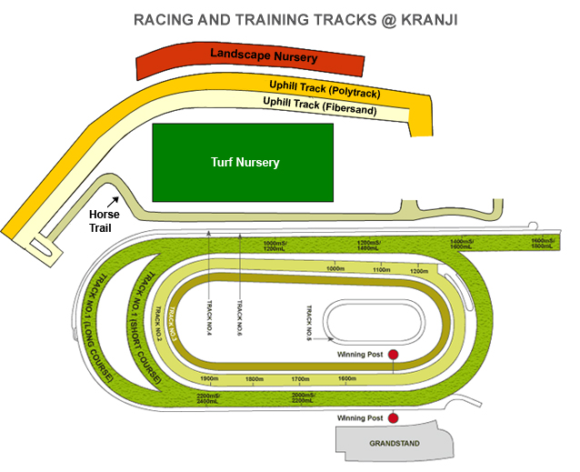
Track Type | Track No. | Length | Width | Ending | 1 | 2 | 3 | 4 | 5 | 6 | 7 | 8 | 9 | 10 | 11 | 12 | 13 | 14 | 15 | 16
Turf | Track1 | 2400 | 31 | 400 | 2400.00 | 2400.02 | 2400.07 | 2400.15 | 2400.28 | 2400.46 | 2400.71 | 2401.03 | 2401.44 | 2401.94 | 2402.55 | 2403.27 | 2404.12 | 2405.10 | 2406.23 | 2407.51
Turf | Track1 | 2200 | 31 | 400 | 2200.00 | 2200.02 | 2200.07 | 2200.15 | 2200.28 | 2200.46 | 2200.71 | 2201.03 | 2201.44 | 2201.94 | 2202.55 | 2203.27 | 2204.12 | 2205.10 | 2206.23 | 2207.51
Turf | Track1 | 2000 | 31 | 400 | 2000.00 | 2000.02 | 2000.07 | 2000.15 | 2000.28 | 2000.46 | 2000.71 | 2001.03 | 2001.44 | 2001.94 | 2002.55 | 2003.27 | 2004.12 | 2005.10 | 2006.23 | 2007.51
Turf | Track1 | 1800 | 31 | 400 | 1800.00 | 1800.02 | 1800.07 | 1800.15 | 1800.28 | 1800.46 | 1800.71 | 1801.03 | 1801.44 | 1801.94 | 1802.55 | 1803.27 | 1804.12 | 1805.10 | 1806.23 | 1807.51
Turf | Track1 | 1600 | 31 | 400 | 1600.00 | 1600.02 | 1600.07 | 1600.15 | 1600.28 | 1600.46 | 1600.71 | 1601.03 | 1601.44 | 1601.94 | 1602.55 | 1603.27 | 1604.12 | 1605.10 | 1606.23 | 1607.51
Turf | Track1 | 1400 | 31 | 400 | 1400.00 | 1400.02 | 1400.07 | 1400.15 | 1400.28 | 1400.46 | 1400.71 | 1401.03 | 1401.44 | 1401.94 | 1402.55 | 1403.27 | 1404.12 | 1405.10 | 1406.23 | 1407.51
Turf | Track1 | 1200 | 31 | 400 | 1200.00 | 1200.02 | 1200.07 | 1200.15 | 1200.28 | 1200.46 | 1200.71 | 1201.03 | 1201.44 | 1201.94 | 1202.55 | 1203.27 | 1204.12 | 1205.10 | 1206.23 | 1207.51
Turf | Track1 | 1000 | 31 | 400 | 1000.00 | 1000.02 | 1000.07 | 1000.15 | 1000.28 | 1000.46 | 1000.71 | 1001.03 | 1001.44 | 1001.94 | 1002.55 | 1003.27 | 1004.12 | 1005.10 | 1006.23 | 1007.51
Poly | Track2 | 1900 | 25 | 400 | 1900.00 | 1900.02 | 1900.07 | 1900.15 | 1900.28 | 1900.46 | 1900.71 | 1901.03 | 1901.44 | 1901.94 | 1902.55 | 1903.27 | 1904.12 | 1905.10 | 1906.23 | 1907.51
Poly | Track2 | 1800 | 25 | 400 | 1800.00 | 1800.02 | 1800.07 | 1800.15 | 1800.28 | 1800.46 | 1800.71 | 1801.03 | 1801.44 | 1801.94 | 1802.55 | 1803.27 | 1804.12 | 1805.10 | 1806.23 | 1807.51
Poly | Track2 | 1700 | 25 | 400 | 1700.00 | 1700.02 | 1700.07 | 1700.15 | 1700.28 | 1700.46 | 1700.71 | 1701.03 | 1701.44 | 1701.94 | 1702.55 | 1703.27 | 1704.12 | 1705.10 | 1706.23 | 1707.51
Poly | Track2 | 1500 | 25 | 400 | 1500.00 | 1500.02 | 1500.07 | 1500.15 | 1500.28 | 1500.46 | 1500.71 | 1501.03 | 1501.44 | 1501.94 | 1502.55 | 1503.27 | 1504.12 | 1505.10 | 1506.23 | 1507.51
Poly | Track2 | 1600 | 25 | 400 | 1600.00 | 1600.02 | 1600.07 | 1600.15 | 1600.28 | 1600.46 | 1600.71 | 1601.03 | 1601.44 | 1601.94 | 1602.55 | 1603.27 | 1604.12 | 1605.10 | 1606.23 | 1607.51
Poly | Track2 | 1200 | 25 | 400 | 1200.00 | 1200.02 | 1200.07 | 1200.15 | 1200.28 | 1200.46 | 1200.71 | 1201.03 | 1201.44 | 1201.94 | 1202.55 | 1203.27 | 1204.12 | 1205.10 | 1206.23 | 1207.51
Poly | Track2 | 1100 | 25 | 400 | 1100.00 | 1100.02 | 1100.07 | 1100.15 | 1100.28 | 1100.46 | 1100.71 | 1101.03 | 1101.44 | 1101.94 | 1102.55 | 1103.27 | 1104.12 | 1105.10 | 1106.23 | 1107.51
Poly | Track2 | 1000 | 25 | 400 | 1000.00 | 1000.02 | 1000.07 | 1000.15 | 1000.28 | 1000.46 | 1000.71 | 1001.03 | 1001.44 | 1001.94 | 1002.55 | 1003.27 | 1004.12 | 1005.10 | 1006.23 | 1007.51
Sand | Track3 | 1300 | 20 | 400 | 1300.00 | 1300.02 | 1300.07 | 1300.15 | 1300.28 | 1300.46 | 1300.71 | 1301.03 | 1301.44 | 1301.94 | 1302.55 | 1303.27 | 1304.12 | 1305.10 | 1306.23 | 1307.51

